issue model
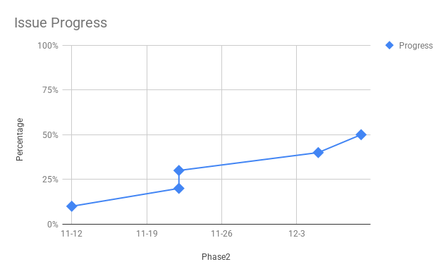
Date | Progress | Percentage | Phase1 | Phase2
2017-11-12 | 10% | 10% | 1 | Issue
2017-11-22 | 20% | 20% | 2 | Clue
2017-11-22 | 30% | 30% | 3.1 | Root Cause1
2017-12-05 | 40% | 40% | 3.2 | Root Cause2
2017-12-09 | 50% | 50% | 3.3 | Root Cause3
 |  | 60% | 4 | solution&Verification1
 |  | 70% | 5 | Plan
 | 100% | 100% | 6 | FuPan

